gate
No. | Category | Name of Item | Spesification | Picture of Product | Link Marketplace | Quantity | Unit Price | Total Cost
1. | Power Supply | Hi-Link HLK-PM01 Modul Power Supply | Input AC 100-220V Output DC 5V 3W | 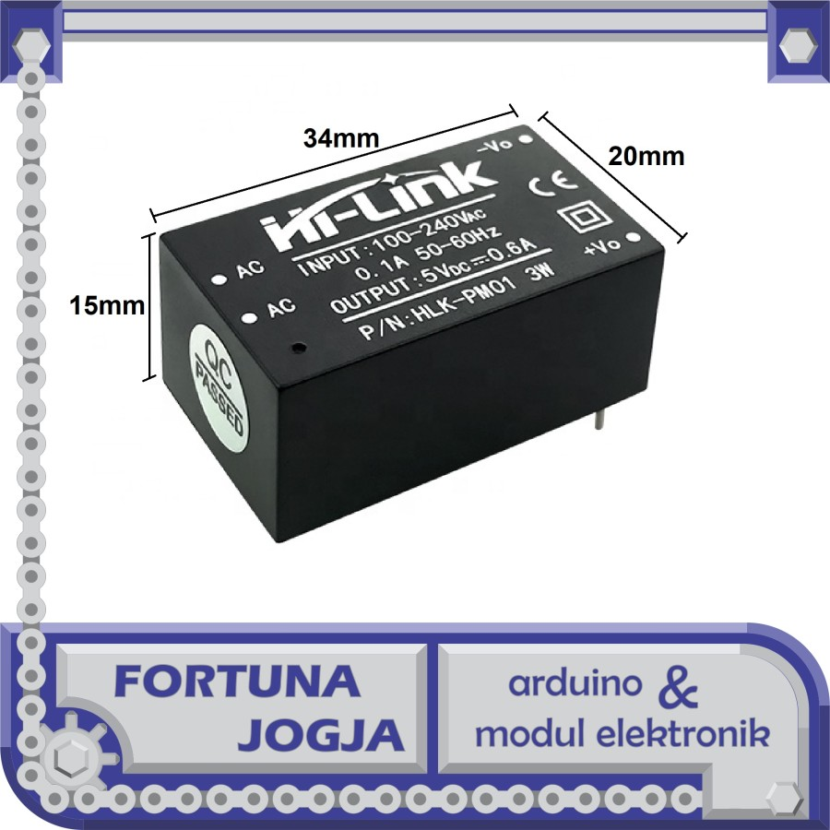 | https://www.tokopedia.com/fortunajogja/hi-link-hlk-pm01-modul-power-supply-input-ac-100-220v-output-dc-5v-3w?extParam=fcity%3D253%2C254%2C255%2C256%2C257%26ivf%3Dfalse%26keyword%3Dhlk+pm01%26search_id%3D202411070154536CD45A91C29FCA08DKA8%26src%3Dsearch | 1 | 37,700.00 | 37,700.00
2. | Cetak PCB | PCB | Ukuran: 7x13 cm Jumlah: 1 Layer: single Tipe: fr2 Mask atas: biru Mask bawah: biru Silkscreen: putih File: Software PCB Bentuk: kotak | 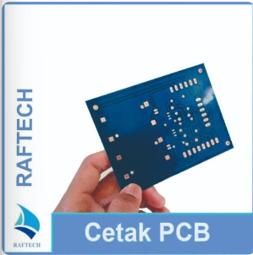 | https://www.tokopedia.com/raftech/jasa-cetak-pcb-general | 1 | 85,000.00 | 85,000.00
3. | Microcontroller | esp32-devkit | ESP32 ESP-32 Arduino WIFI BLUETOOTH IOT DEVELOPMENT BOARD - Micro USB | 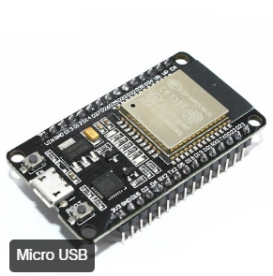 | https://www.tokopedia.com/temins/esp32-esp-32-arduino-wifi-bluetooth-iot-development-board-micro-usb?extParam=ivf%3Dfalse&src=topads | 1 | 55,000.00 | 55,000.00
4. | Perangkat Elektronika Dasar | resistor | RESISTOR 2K2 OHM 2K2OHM 1/2 W (5pcs) | 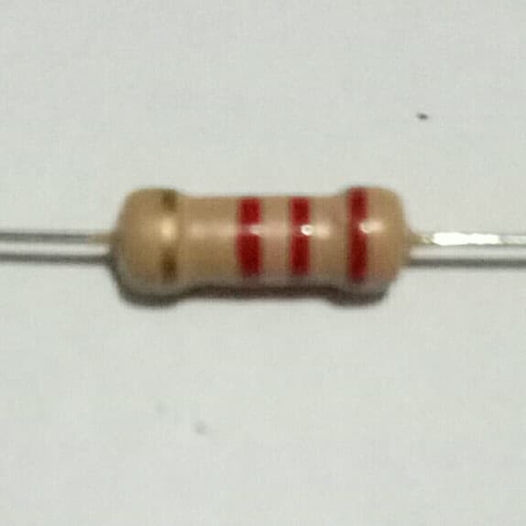 | https://www.tokopedia.com/kranti6b/resistor-2k2-ohm-2k2ohm-1-2-w-5pcs?extParam=src%3Dshop%26whid%3D8676 | 5 | 600.00 | 3,000.00
 |  |  | RESISTOR 330 OHM 1/2 W (5pcs) | 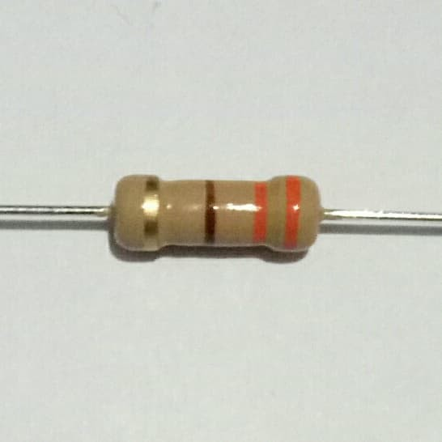 | https://www.tokopedia.com/kranti6b/resistor-330-ohm-12-w?extParam=src%3Dshop%26whid%3D8676 | 5 | 600.00 | 3,000.00
 |  |  | RESISTOR 220 OHM 1/2 W (5pcs) | 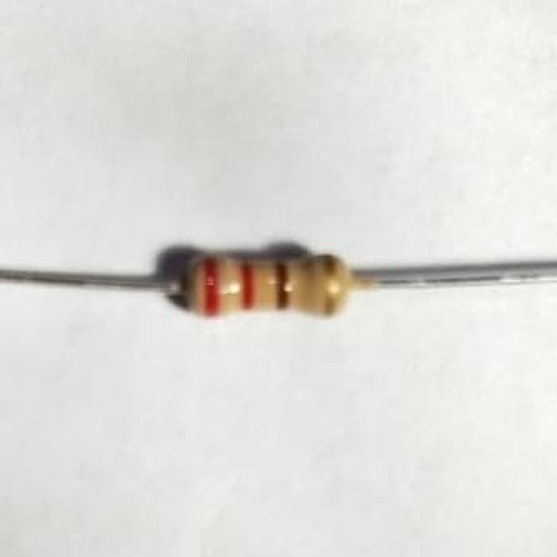 | https://www.tokopedia.com/kranti6b/resistor-220-ohm-12w-5pcs?extParam=src%3Dshop%26whid%3D8676 | 5 | 600.00 | 3,000.00
 |  | PC817 |  | 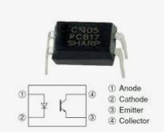 | https://www.tokopedia.com/sarahelektronik/pc817-sharp-pc-817?extParam=ivf%3Dfalse&src=topads | 6 | 550.00 | 3,300.00
 |  | Dioda Silicon 1N4007 | Dioda Silicon 1N4007 1 Ampere | 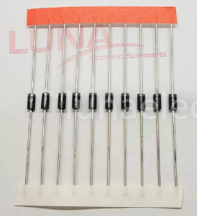 | https://www.tokopedia.com/lunaelec/dioda-silicon-1n4007-in4007?extParam=ivf%3Dfalse&src=topads | 10 | 250.00 | 2,500.00
 |  | TIP41 |  | 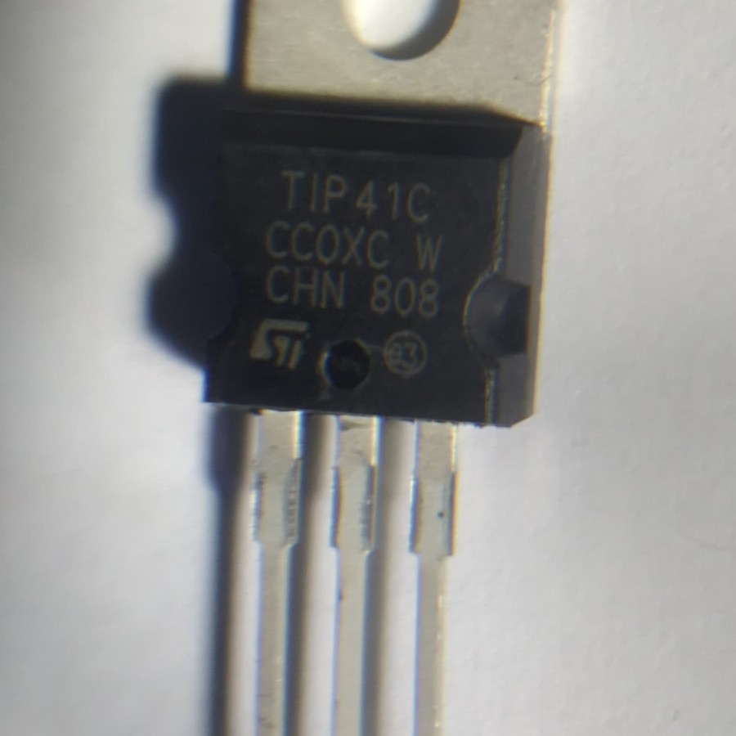 | https://www.tokopedia.com/kranti6b/tip41-tip-41?extParam=src%3Dshop%26whid%3D8676 | 7 | 1,800.00 | 12,600.00
 |  | Relay 5v HKE HRS2H 8 pin kaki HRS2H-S-DC5V | Relay HKE tipe HRS2H 8pin - 5VDC size : P = 20mm L = 10mm T = 11mm Operating voltage = 5V Max. Current = 2A | 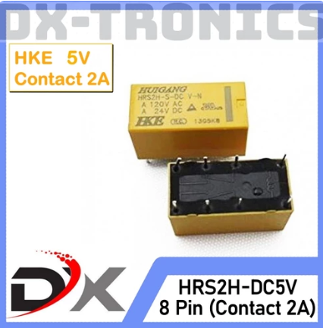 | https://www.tokopedia.com/dx-tronics/relay-5v-hke-hrs2h-8-pin-kaki-hrs2h-s-dc5v?extParam=ivf%3Dfalse&src=topads | 8 | 5,350.00 | 42,800.00
 |  | Terminal PCB | Terminal Block Konektor 5mm - 3 PIN | 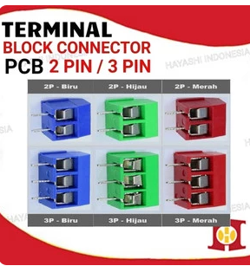 | https://www.tokopedia.com/hayashiindonesia/terminal-blok-block-2-3-pin-skrup-screw-pcb-pitch-5mm-kabel-konektor-2-pin-hijau-tanpa-bubble?extParam=ivf%3Dfalse&src=topads | 8 | 620.00 | 4,960.00
 |  | Terminal PCB | Terminal Block Konektor 5mm - 2 PIN |  | https://www.tokopedia.com/hayashiindonesia/terminal-blok-block-2-3-pin-skrup-screw-pcb-pitch-5mm-kabel-konektor-2-pin-hijau-tanpa-bubble?extParam=ivf%3Dfalse&src=topads | 8 | 445.00 | 3,560.00
 |  | LED | Led 3mm Hijau | 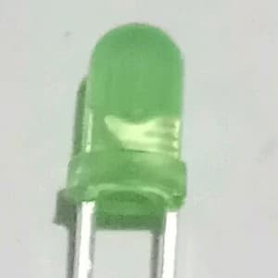 | https://www.tokopedia.com/kranti6b/led-3mm-hijau?extParam=src%3Dshop%26whid%3D8676 | 10 | 300.00 | 3,000.00
Total Project Cost |  |  |  |  |  |  |  | 259,420.00

